Sheet1


THANKSGIVING BAKE SALE
Delivery on Sunday, November 22, 2020
 |  | Deadline for Order: November 8. 2020

Sponsored by the Ladies Philoptochos Society of St. Elizabeth Church
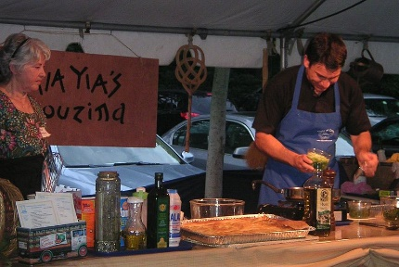
Fill out this form and mail along with your check to
St. Elizabeth Philoptochos, 5129 NW 53rd Avenue, Gainesville, FL 32653
If you are donating to multiple missions, you may write one check but also attach the "Payment Detail Form"
to ensure your donation will be entered correctly.
Just fill in the number of each item you want in this excel form which is set up to calculate total order for you.

YOUR NAME:
PHONE NUMBER

BAKLAVA |  |  | Number of boxes | Price | TOTAL
 | Half Pan (30 pieces) |  |  | $30.00 | $0.00
 | Whole Pan (60 pieces) |  |  | $60.00 | $0.00
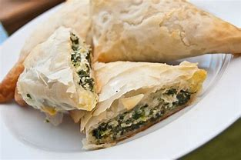
SPANOKOPITA (SPINACH PIE) |  |  | Number of boxes | Price
 | Whole Pan (24 pieces) |  |  | $40.00 | $0.00

TIROPITA (CHEESE PIE) |  |  | Number of boxes | Price
 | Whole Pan (24 pieces) |  |  | $40.00 | $0.00

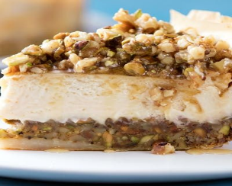
BAKLAVA CHEESE CAKE |  |  | Number of Cakes | Price
 | 10 Inch Round Cake |  |  | $45.00 | $0.00
 | (Approximately 14 pieces)

 |  |  |  |  | $0.00
 |  |  |  | TOTAL COST OF ORDER | $0.00
 |  |  |  | AMOUNT PAID
 |  |  |  | CHECK #
Please enclose your check with the order
SEE SOME OF WHAT YOU WILL BE DOING UNTO OTHERS WITH YOUR ORDER

In these COVID times we are experiencing, we are not able to repackage or prepare bake sale items ourselves. We would appreciate orders for the items listed above. The items will not be opened or handled in any way other than to gather them for the purchaser. Gloves and masks will be used at all times to make sure everyone stays safe. Thank you so much for helping Philoptochos have the funds it needs to help those in need. Your bake sale donations will be used for the following:
For St. Elizabeth:
 | For our parishioners: To beautify the church on special feast days, and to help our parishioners in times of trouble.
Alachua County | The larger Alachua County community: Support Homeless school children of Alachua County
Metropolis Projects
 | October Fanouropita Event (Proceeds of Event)
 | Agape. Clergy Education $150, Discretionary, Gifts, Good Shepherd Special Needs Camp $100, Miscellaneous, Philanthropy, Membership $10 per member, Website/Communication $25, Youth/st. Stephens Summer Camp $200
National Philoptochos Projects
JANUARY | Membership $15 per member AND Vasilopita AND Social Services
FEBRUARY | Autism Assistance AND St. Photios Shrine
MARCH | Orthodox Christian Ministries AND Support a Mission Priest AND Hellenic College Holy Cross Lenten Event
APRIL | Sisterhood of Saint Basil Academy AND IOCC (International Orthodox Christian Charities
MAY/JUNE | 75th Anniversary Founders Fund AND Orthodox Christian Fellowship
JULY AND AUGUST CHAPTER PLANNING FOR NEW PROGRAM YEAR
SEPTEMBER | Retired Clergy/Widowed Presvyteres Benevolent Fund AND National Philoptochos Emergency Fund
OCTOBER | National Philoptochos Emergency Fund
NOVEMBER | Ecumenical Patriarchate AND National Sisterhood of Presvyteres APC/NSP Benevolent Fund
DECEMBER | United Nations International Children's Emergency Fund AND General Medical Fund

